Control Data
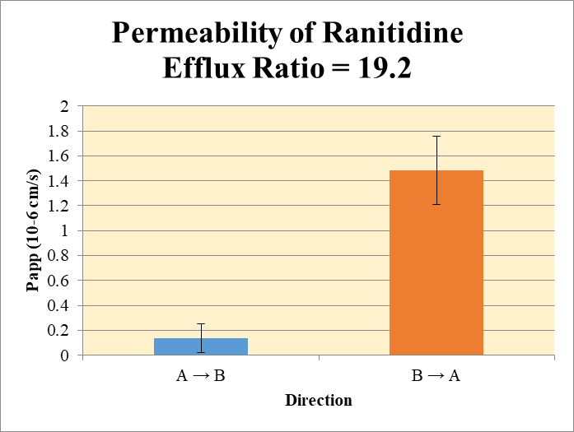
SampleName | CompoundName | Transition | Area | ISTD Area | ISTDResponseRatio | A → B | Volume | RR1 | RR2 | RR3 | RR Mean | RR SD
Blank 1_A_B__1______Inj CYP2178-R6_Caco2_2020Oct21_Inj003 | Ranitidine | 315.216 > 175.737 | 0.301 | 73289.141 | 4.1070204384E-06 | Donor | 0.0750 | 3.80 | 3.70 |  | 3.75 | 0.0742 | A → B | 0.134 | 0.116
Blank 1_A_B__2______Inj CYP2178-R6_Caco2_2020Oct21_Inj004 | Ranitidine |  |  | 76053.227 | 0 | Receiver | 0.250 | 0.00324 | 0.000816 |  | 0.00203 | 0.00171 | B → A | 1.48 | 0.273
Blank 1_B_A__3______Inj CYP2178-R6_Caco2_2020Oct21_Inj005 | Ranitidine | 315.216 > 175.737 |  | 76273.555 | 0 | Dosing | 0.0750 | 4.74 | 4.99 |  | 4.86 | 0.171
Blank 1_B_A__4______Inj CYP2178-R6_Caco2_2020Oct21_Inj006 | Ranitidine | 315.216 > 175.737 |  | 78563.578 | 0 | Standard
Ranitidine_A_B_rec_1______Inj CYP2178-R6_Caco2_2020Oct21_Inj007 | Ranitidine | 315.216 > 175.737 | 59.682 | 73542.742 | 0.0008115280771 | Blank |  | 4.11E-06 | 0.0 |  | 2.05E-06 | 2.90E-06
Ranitidine_A_B_rec_2______Inj CYP2178-R6_Caco2_2020Oct21_Inj008 | Ranitidine | 315.216 > 175.737 | 15.349 | 74499.875 | 0.00020602719132 | dq/dt |  | 1.12E-07 | 2.83E-08 |  | 7.04E-08 | 5.95E-08
Ranitidine_A_B_dos_1______Inj CYP2178-R6_Caco2_2020Oct21_Inj039 | Ranitidine | 315.216 > 175.737 | 67108.922 | 56590.543 | 1.1858681405 | Co |  | 4.74 | 4.99 |  | 4.86 | 0.171
Ranitidine_A_B_dos_2______Inj CYP2178-R6_Caco2_2020Oct21_Inj040 | Ranitidine | 315.216 > 175.737 | 69846.164 | 56043.777 | 1.2462786725 | Recovery |  | 80.4% | 74.2% |  | 77.3% | 4.36%
Ranitidine_A_B_don_1______Inj CYP2178-R6_Caco2_2020Oct21_Inj023 | Ranitidine | 315.216 > 175.737 | 65686.313 | 69103.273 | 0.95055284863 | Papp |  | 0.215 | 0.0517 |  | 0.134 | 0.116
Ranitidine_A_B_don_2______Inj CYP2178-R6_Caco2_2020Oct21_Inj024 | Ranitidine | 315.216 > 175.737 | 56752.871 | 61400.734 | 0.92430281045
Ranitidine_B_A_rec_1______Inj CYP2178-R6_Caco2_2020Oct21_Inj015 | Ranitidine | 315.216 > 175.737 | 1228.871 | 69642.719 | 0.017645362181 | B → A
Ranitidine_B_A_rec_2______Inj CYP2178-R6_Caco2_2020Oct21_Inj016 | Ranitidine | 315.216 > 175.737 | 1510.004 | 67934.766 | 0.022227264314 | Donor | 0.250 | 5.24 | 5.07 |  | 5.16 | 0.120
Ranitidine_B_A_dos_1______Inj CYP2178-R6_Caco2_2020Oct21_Inj047 | Ranitidine | 315.216 > 175.737 | 69773.328 | 53843.855 | 1.2958457005 | Receiver | 0.0750 | 0.0706 | 0.0889 |  | 0.0797 | 0.0130
Ranitidine_B_A_dos_2______Inj CYP2178-R6_Caco2_2020Oct21_Inj048 | Ranitidine | 315.216 > 175.737 | 70379.734 | 56030.605 | 1.2560944862 | Dosing | 0.250 | 5.18 | 5.02 |  | 5.10 | 0.112
Ranitidine_B_A_don_1______Inj CYP2178-R6_Caco2_2020Oct21_Inj031 | Ranitidine | 315.216 > 175.737 | 70913.266 | 54127.137 | 1.310124088 | Standard
Ranitidine_B_A_don_2______Inj CYP2178-R6_Caco2_2020Oct21_Inj032 | Ranitidine | 315.216 > 175.737 | 70494.734 | 55616.109 | 1.2675236594 | Blank |  | 0.0 | 0.0 |  | 0.0 | 0.0
 |  |  |  | Dilution | 4.00 | dq/dt |  | 7.35E-07 | 9.26E-07 |  | 8.31E-07 | 1.35E-07 | Test Article | Test Conc (µM) | Parameter | Papp (10-6 cm/s) Rep-1 | Papp (10-6 cm/s) Rep-2 | Papp (10-6 cm/s) Rep-3 | Recovery
 |  |  |  | Chamber Surface Area | 0.110 | Co |  | 5.18 | 5.02 |  | 5.10 | 0.112 |  |  | A → B | 0.215 | 0.0517 |  | 77.3%
 |  |  |  | Sampling Period (hrs) | 2.00 | Recovery |  | 102% | 101% |  | 101% | 0.0492% | Ranitidine | 10.0 | B → A | 1.29 | 1.68 |  | 101%
 |  |  |  | Test Concentration (µM) | 10.0 | Papp |  | 1.29 | 1.68 |  | 1.48 | 0.273 |  |  | Efflux Ratio | 5.98 | 32.4
 |  |  |  |  |  | Efflux Ratio |  | 5.98 | 32.4 |  | 19.2 | 18.7

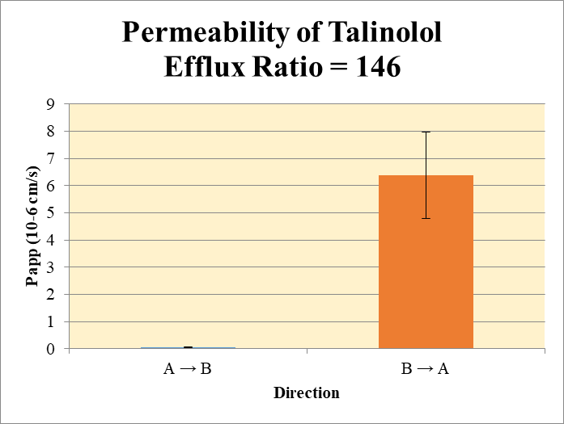
 |  |  |  |  |  | A → B
Blank 1_A_B__1______Inj CYP2178-R6_Caco2_2020Oct21_Inj003 | Talinolol | 364.365 > 209.165 | 6.124 | 73289.141 | 8.355944573E-05 | Donor | 0.0750 | 1.15 | 1.02 |  | 1.09 | 0.0957 | A → B | 0.0475 | 0.0250
Blank 1_A_B__2______Inj CYP2178-R6_Caco2_2020Oct21_Inj004 | Talinolol | 364.365 > 209.165 | 6.342 | 76053.227 | 8.3388966519E-05 | Receiver | 0.250 | 0.000142 | 0.000329 |  | 0.000236 | 0.000133 | B → A | 6.37 | 1.58
Blank 1_B_A__3______Inj CYP2178-R6_Caco2_2020Oct21_Inj005 | Talinolol | 364.365 > 209.165 | 7.998 | 76273.555 | 0.00010485941032 | Dosing | 0.0750 | 1.50 | 1.60 |  | 1.55 | 0.0673
Blank 1_B_A__4______Inj CYP2178-R6_Caco2_2020Oct21_Inj006 | Talinolol | 364.365 > 209.165 | 8.19 | 78563.578 | 0.0001042467796 | Standard
Talinolol_A_B_rec_1______Inj CYP2178-R6_Caco2_2020Oct21_Inj009 | Talinolol | 364.365 > 209.165 | 8.899 | 74830.813 | 0.00011892159985 | Blank |  | 8.36E-05 | 8.34E-05 |  | 8.35E-05 | 1.21E-07
Talinolol_A_B_rec_2______Inj CYP2178-R6_Caco2_2020Oct21_Inj010 | Talinolol | 364.365 > 209.165 | 12.171 | 73403.469 | 0.00016580960227 | dq/dt |  | 4.92E-09 | 1.14E-08 |  | 8.18E-09 | 4.60E-09
Talinolol_A_B_dos_1______Inj CYP2178-R6_Caco2_2020Oct21_Inj041 | Talinolol | 364.365 > 209.165 | 21689.445 | 57790.871 | 0.37530919027 | Co |  | 1.50 | 1.60 |  | 1.55 | 0.0673
Talinolol_A_B_dos_2______Inj CYP2178-R6_Caco2_2020Oct21_Inj042 | Talinolol | 364.365 > 209.165 | 22481.994 | 56331.113 | 0.39910438127 | Recovery |  | 76.8% | 63.8% |  | 70.3% | 9.21%
Talinolol_A_B_don_1______Inj CYP2178-R6_Caco2_2020Oct21_Inj025 | Talinolol | 364.365 > 209.165 | 15604.272 | 54122.691 | 0.28831293699 | Papp |  | 0.030 | 0.065 |  | 0.0475 | 0.0250
Talinolol_A_B_don_2______Inj CYP2178-R6_Caco2_2020Oct21_Inj026 | Talinolol | 364.365 > 209.165 | 13790.104 | 54188.793 | 0.25448258277
Talinolol_B_A_rec_1______Inj CYP2178-R6_Caco2_2020Oct21_Inj017 | Talinolol | 364.365 > 209.165 | 1537.224 | 68534.266 | 0.022430006035 | B → A
Talinolol_B_A_rec_2______Inj CYP2178-R6_Caco2_2020Oct21_Inj018 | Talinolol | 364.365 > 209.165 | 1975.386 | 62529.188 | 0.031591422553 | Donor | 0.250 | 1.51 | 1.46 |  | 1.49 | 0.0377
Talinolol_B_A_dos_1______Inj CYP2178-R6_Caco2_2020Oct21_Inj049 | Talinolol | 364.365 > 209.165 | 22767.877 | 56554.969 | 0.40257960357 | Receiver | 0.0750 | 0.0893 | 0.126 |  | 0.108 | 0.0259
Talinolol_B_A_dos_2______Inj CYP2178-R6_Caco2_2020Oct21_Inj050 | Talinolol | 364.365 > 209.165 | 21989.211 | 55242.281 | 0.39805038101 | Dosing | 0.250 | 1.61 | 1.59 |  | 1.60 | 0.0128
Talinolol_B_A_don_1______Inj CYP2178-R6_Caco2_2020Oct21_Inj033 | Talinolol | 364.365 > 209.165 | 20840.074 | 55089.254 | 0.37829653674 | Standard
Talinolol_B_A_don_2______Inj CYP2178-R6_Caco2_2020Oct21_Inj034 | Talinolol | 364.365 > 209.165 | 20561.449 | 56335.719 | 0.36498067949 | Blank |  | 0.000105 | 0.000104 |  | 0.000105 | 4.33E-07
 |  |  |  | Dilution | 4.00 | dq/dt |  | 9.30E-07 | 1.31E-06 |  | 1.12E-06 | 2.70E-07 | Test Article | Test Conc (µM) | Parameter | Papp (10-6 cm/s) Rep-1 | Papp (10-6 cm/s) Rep-2 | Papp (10-6 cm/s) Rep-3 | Recovery
 |  |  |  | Chamber Surface Area | 0.110 | Co |  | 1.61 | 1.59 |  | 1.60 | 0.0128 |  |  | A → B | 0.030 | 0.065 |  | 70.3%
 |  |  |  | Sampling Period (hrs) | 2.00 | Recovery |  | 95.6% | 94.1% |  | 94.8% | 1.11% | Talinolol | 10.0 | B → A | 5.25 | 7.49 |  | 94.8%
 |  |  |  | Test Concentration (µM) | 10.0 | Papp |  | 5.25 | 7.49 |  | 6.37 | 1.58 |  |  | Efflux Ratio | 176 | 115
 |  |  |  |  |  | Efflux Ratio |  | 176 | 115 |  | 146 | 43.2

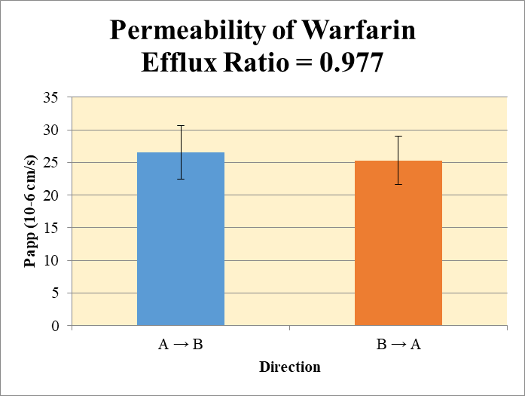
 |  |  |  |  |  | A → B
Blank 1_A_B__1______Inj CYP2178-R6_Caco2_2020Oct21_Inj003 | Warfarin | 309.225 > 251.114 | 12.301 | 73289.141 | 0.00016784205453 | Donor | 0.0750 | 2.72 | 2.63 |  | 2.68 | 0.0631 | A → B | 26.5 | 4.13
Blank 1_A_B__2______Inj CYP2178-R6_Caco2_2020Oct21_Inj004 | Warfarin | 309.225 > 251.114 | 9.389 | 76053.227 | 0.00012345301272 | Receiver | 0.250 | 0.456 | 0.383 |  | 0.420 | 0.0513 | B → A | 25.3 | 3.68
Blank 1_B_A__3______Inj CYP2178-R6_Caco2_2020Oct21_Inj005 | Warfarin | 309.225 > 251.114 | 9.375 | 76273.555 | 0.00012291284968 | Dosing | 0.0750 | 4.88 | 5.12 |  | 5.00 | 0.169
Blank 1_B_A__4______Inj CYP2178-R6_Caco2_2020Oct21_Inj006 | Warfarin | 309.225 > 251.114 | 18.605 | 78563.578 | 0.00023681457074 | Standard
Warfarin_A_B_rec_1______Inj CYP2178-R6_Caco2_2020Oct21_Inj011 | Warfarin | 309.225 > 251.114 | 8982.932 | 78731.211 | 0.11409620004 | Blank |  | 0.000168 | 0.000123 |  | 0.000146 | 3.14E-05
Warfarin_A_B_rec_2______Inj CYP2178-R6_Caco2_2020Oct21_Inj012 | Warfarin | 309.225 > 251.114 | 7071.083 | 73680.297 | 0.095969795019 | dq/dt |  | 1.58E-05 | 1.33E-05 |  | 1.46E-05 | 1.78E-06
Warfarin_A_B_dos_1______Inj CYP2178-R6_Caco2_2020Oct21_Inj043 | Warfarin | 309.225 > 251.114 | 71085.68 | 58238.117 | 1.2206040247 | Co |  | 4.88 | 5.12 |  | 5.00 | 0.169
Warfarin_A_B_dos_2______Inj CYP2178-R6_Caco2_2020Oct21_Inj044 | Warfarin | 309.225 > 251.114 | 73247.656 | 57207.727 | 1.2803804633 | Recovery |  | 86.9% | 76.3% |  | 81.6% | 7.44%
Warfarin_A_B_don_1______Inj CYP2178-R6_Caco2_2020Oct21_Inj027 | Warfarin | 309.225 > 251.114 | 38011.355 | 55866.867 | 0.68039174275 | Papp |  | 29.5 | 23.6 |  | 26.5 | 4.13
Warfarin_A_B_don_2______Inj CYP2178-R6_Caco2_2020Oct21_Inj028 | Warfarin | 309.225 > 251.114 | 36805.828 | 55928.746 | 0.6580842703
Warfarin_B_A_rec_1______Inj CYP2178-R6_Caco2_2020Oct21_Inj019 | Warfarin | 309.225 > 251.114 | 20921.035 | 61963.188 | 0.33763651735 | B → A
Warfarin_B_A_rec_2______Inj CYP2178-R6_Caco2_2020Oct21_Inj020 | Warfarin | 309.225 > 251.114 | 22548.064 | 56656.973 | 0.39797509126 | Donor | 0.250 | 4.57 | 4.44 |  | 4.51 | 0.0913
Warfarin_B_A_dos_1______Inj CYP2178-R6_Caco2_2020Oct21_Inj051 | Warfarin | 309.225 > 251.114 | 77004.703 | 54767.402 | 1.4060316938 | Receiver | 0.0750 | 1.35 | 1.59 |  | 1.47 | 0.171
Warfarin_B_A_dos_2______Inj CYP2178-R6_Caco2_2020Oct21_Inj052 | Warfarin | 309.225 > 251.114 | 77079.055 | 57163.113 | 1.3484054831 | Dosing | 0.250 | 5.62 | 5.39 |  | 5.51 | 0.163
Warfarin_B_A_don_1______Inj CYP2178-R6_Caco2_2020Oct21_Inj035 | Warfarin | 309.225 > 251.114 | 64342.563 | 56287.59 | 1.1431038884 | Standard
Warfarin_B_A_don_2______Inj CYP2178-R6_Caco2_2020Oct21_Inj036 | Warfarin | 309.225 > 251.114 | 64330.051 | 57912.688 | 1.1108110022 | Blank |  | 0.000123 | 0.000237 |  | 0.000180 | 8.05E-05
 |  |  |  | Dilution | 4.00 | dq/dt |  | 1.41E-05 | 1.66E-05 |  | 1.53E-05 | 1.78E-06 | Test Article | Test Conc (µM) | Parameter | Papp (10-6 cm/s) Rep-1 | Papp (10-6 cm/s) Rep-2 | Papp (10-6 cm/s) Rep-3 | Recovery
 |  |  |  | Chamber Surface Area | 0.110 | Co |  | 5.62 | 5.39 |  | 5.51 | 0.163 |  |  | A → B | 29.5 | 23.6 |  | 81.6%
 |  |  |  | Sampling Period (hrs) | 2.00 | Recovery |  | 88.5% | 91.2% |  | 89.9% | 1.93% | Warfarin | 10.0 | B → A | 22.7 | 27.9 |  | 89.9%
 |  |  |  | Test Concentration (µM) | 10.0 | Papp |  | 22.7 | 27.9 |  | 25.3 | 3.68 |  |  | Efflux Ratio | 0.771 | 1.18
 |  |  |  |  |  | Efflux Ratio |  | 0.771 | 1.18 |  | 0.977 | 0.291

